General
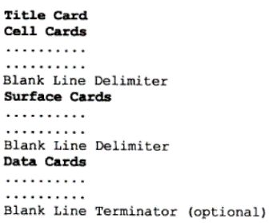
General Input File Format
Index |  | mcnp6 cmd prompt
 |  | MCNP version | file name | file extension | multithread number
 |  | mcnp6 | Ex5-3 | .i | 19
 |  | cmd line | mcnp6 name=Ex5-3.i tasks 19

Problem Description
Details: | Square Lattice of 3x2 Pu Cylinders
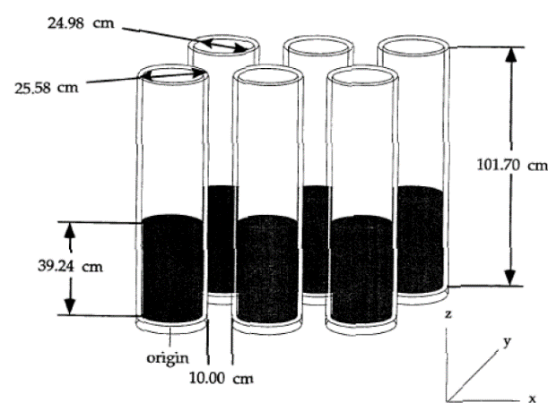
 |  | Description | Parameter | Value | Units
 |  |  | N239 | 2.2768E-03
 |  |  | N240 | 1.2214E-05
 |  |  | N241 | 8.3390E-07
 |  |  | N242 | 2.5800E-08
 |  |  | N_H2 | 6.0070E-02
 |  |  | N_O2 | 3.6540E-02
 |  |  | N_N | 2.3699E-03
 |  |  | N_Tot | 9.9270E-02
 |  | solution height | h_soln | 39.24 | cm
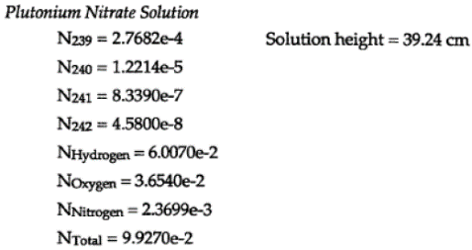
 |  |  | N_iron | 6.3310E-02
 |  |  | N_Ch | 1.6540E-02
 |  |  | N_Ni | 6.5100E-03
 |  |  | N_tot | 8.6360E-02
 |  | surface separation | h_sep | 10.0 | cm
 |  | tank inner diam. | id_tank | 24.98
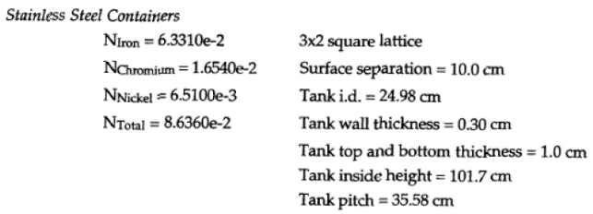
 |  | tank wall thickness | thick_wall | 0.3 | cm
 |  | tank top & bottom thickness | thickness | 1.0 | cm
 |  | tank inner height | h_inner | 101.7 | cm
 |  | tank pitch | pitch | 35.58 | cm

Surface Cards
Surface Cards
Index |  |  |  |  |  |  | Lattice
Format (From MCNP Criticality Primer III, p.12) |  |  |  |  |  |  | Notes

 |  |  |  |  |  |  |  | lat = 1 | square lattice
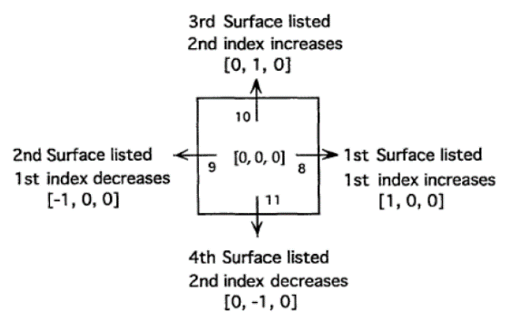
 | QA
 | Good
 | Bad
 | Unchecked

j | Description | a | x | y | z | r | Raw code (spacing might need adjustment)
c | Solution cylinder |  |  |  |  |  | c Solution cylinder
1 | $ soln radius | cz |  |  |  | 12.49 | 1 cz 12.49 $ soln radius
2 | $ container radius | cz |  |  |  | 12.79 | 2 cz 12.79 $ container radius
5 | $ bottom of cylinder | pz |  |  | 0.00 |  | 5 pz 0 $ bottom of cylinder
6 | $ top of cylinder | pz |  |  | 39.24 |  | 6 pz 39.24 $ top of cylinder
7 | $ tank inner height | pz |  |  | 101.7 |  | 7 pz 101.7 $ tank inner height
c | Beginning of lattice surfaces |  |  |  |  |  | c Beginning of lattice surfaces
8 | $ side of lattice | px | 17.79 |  |  |  | 8 px 17.79 $ side of lattice
9 | $ side of lattice | px | -17.79 |  |  |  | 9 px -17.79 $ side of lattice
10 | $ side of lattice | py |  | 17.79 |  |  | 10 py 17.79 $ side of lattice
11 | $ side of lattice | py |  | -17.79 |  |  | 11 py -17.79 $ side of lattice
c | Beginning of Window Surfaces |  |  |  |  |  | c Beginning of Window Surfaces
3 | $ tank bottom | pz |  |  | -1 |  | 3 pz -1 $ tank bottom
4 | $ tank height + thickness | pz |  |  | 102.7 |  | 4 pz 102.7 $ tank height + thickness
12 | $ tank | px | 88.95 |  |  |  | 12 px 88.95 $ tank
14 | $ tank | py |  | 53.37 |  |  | 14 py 53.37 $ tank

Cell Cards
Cell Cards
Index |  |  |  |  |  |  |  | Params
Format
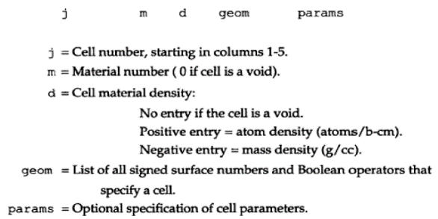

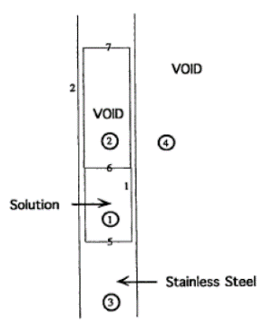

Lattice
Notes

j | Comment | m | d | geom | params | importance | raw cell cards code
c | cylinder container cells |  |  |  |  |  | c cylinder container cells
1 | $ universe 1: Pu-Ni solution | 1 | 0.09927 | -1 5 -6 | u=1 | imp:n=1 | 1 1 0.09927 -1 5 -6 u=1 imp:n=1 $ universe 1: Pu-Ni solution
2 | $ void region above solution | 0 |  | -1 6 7 | u=1 | imp:n=1 | 2 0 -1 6 7 u=1 imp:n=1 $ void region above solution
3 | $ stainless steel | 2 | 0.08636 | -2 (1:-5:7) | u=1 | imp:n=1 | 3 2 0.08636 -2 (1:-5:7) u=1 imp:n=1 $ stainless steel
4 | $ void region outside cylinder |  |  |  |  |  | 4 $ void region outside cylinder
c | Lattice cell cards |  |  |  |  |  | c Lattice cell cards
5 | $ defines x-y lattice | 0 |  | -8 9 -10 11 | lat=1 fill=1 u=2 | imp:n=1 | 5 0 -8 9 -10 11 lat=1 fill=1 u=2 imp:n=1 $ defines x-y lattice
c | Window Lattice cards |  |  |  |  |  | c Window Lattice cards
6 | $ fill card | 0 |  | 9 -12 11 -14 3 -4 | fill=2 | imp:n=1 | 6 0 9 -12 11 -14 3 -4 fill=2 imp:n=1 $ fill card
c | Void universe |  |  |  |  |  | c Void universe
999 | $ void universe | 0 |  | #6 |  | imp:n=0 | 999 0 #6 imp:n=0 $ void universe

Vised
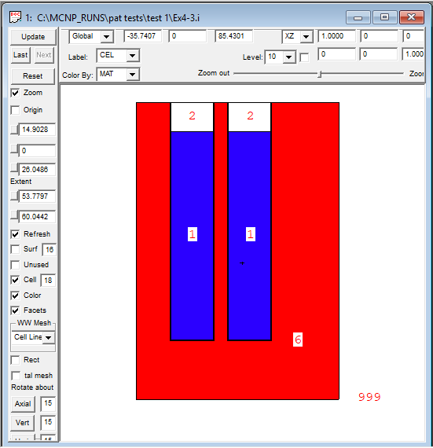
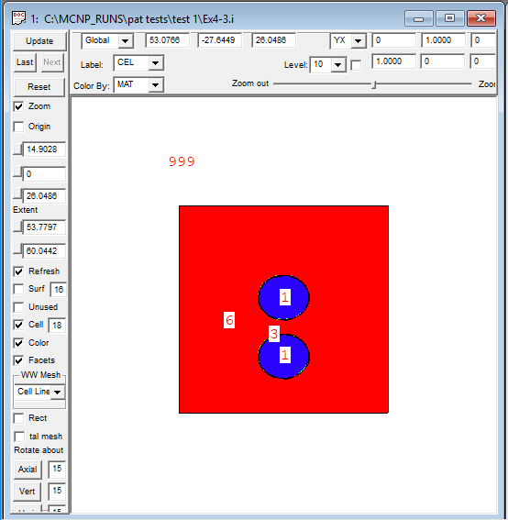
Vised
Index

Side View | Top View

